Dashboard
SUPERMARKET SALES DASHBOARD

Number Of Quantity
Total Sales
Total Profit
5510
322966.749
15379.369

Overall City sales By percentage
 | Total
Naypyitaw | 34.24%
Yangon | 32.88%
Mandalay | 32.88%
Product Line Total Sales
 | Total
Food and beverages | 17.38%
Sports and travel | 17.07%
Electronic accessories | 16.82%
Fashion accessories | 16.81%
Home and lifestyle | 16.68%
Health and beauty | 15.23%
Budget and Profit of the Product
 | Sum of cogs | Sum of Profit
Food and beverages | 53471.28 | 2673.564
Sports and travel | 52497.93 | 2624.8965
Electronic accessories | 51750.03 | 2587.5015
Fashion accessories | 51719.9 | 2585.995
Home and lifestyle | 51297.06 | 2564.853
Health and beauty | 46851.18 | 2342.559

Customer Type Total Sales
 | Total
Member | 50.85%
Normal | 49.15%
overall customer's preferred payment type
 | Total
Cash | 34.74%
Ewallet | 34.06%
Credit card | 31.20%
Gender wise sales
 | Total
Female | 51.98%
Male | 48.02%

Insights And report
About Dataset And KPI Insights

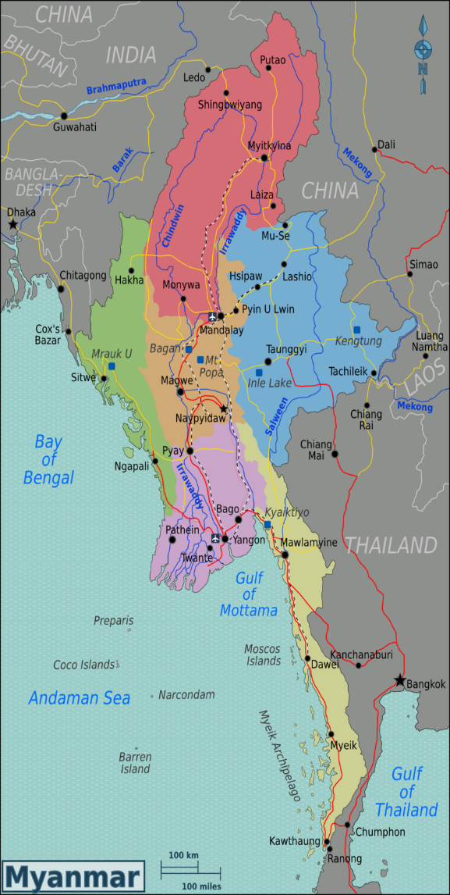
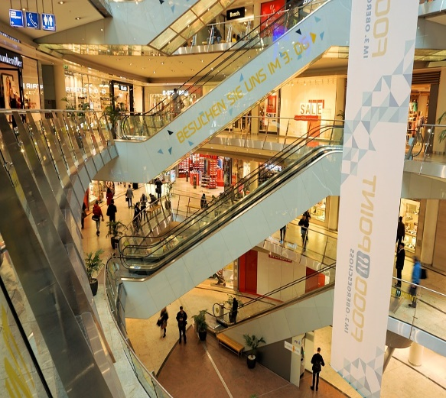

About Dataset

* This is a Dataset of Supermarket Which Located in Burma
* I Have Taken this Dataset From Kaggle Website
* Here I have Created InterActive Dashboard of the dataset About Total Sales Through Different Segments

KPI Insights

* Food And Beverages have made the Highest Sales throughout the ProductLine Which is 17.38 %.
* Health And Beauty Have made lowest Sales Throughout the Productline Which is 15.23 %.
* Gross Income (Profit) Also Came Same As The Sales Percentage Values.
* In Gender 52 % of Sales Came From Female And 48 % of Sales Came From Male.
* In Membership 51 % of the Customers are Member of the Store.
* Most Preferred Payment Type is Cash Which is 34.74 %.
* Naypyitaw City Recorded Highest Sales which 34.24 %.
* Electronic And Accessories Have Sold Most number of Quantities 971.
* In Mandalay city Sports And Travel 18.82 % Have Been Made Highest And Food And Beverages 14.33 % Have made Lowest Sales.
* In Naypyitaw city Food And Beverages 21.50 % Have Been Made Highest and Home And Lifestyle 12.57 % Have made Lowest Sales.
* In Yangon city Home And Lifestyle 21.11 % Have Been Made Highest and Health And Beauty 11.86 % Have Made Lowest .

This Photo by Unknown Author is licensed under CC BY-SA

